SRPT
SRPT - Sarepta Therapeutics, Inc.

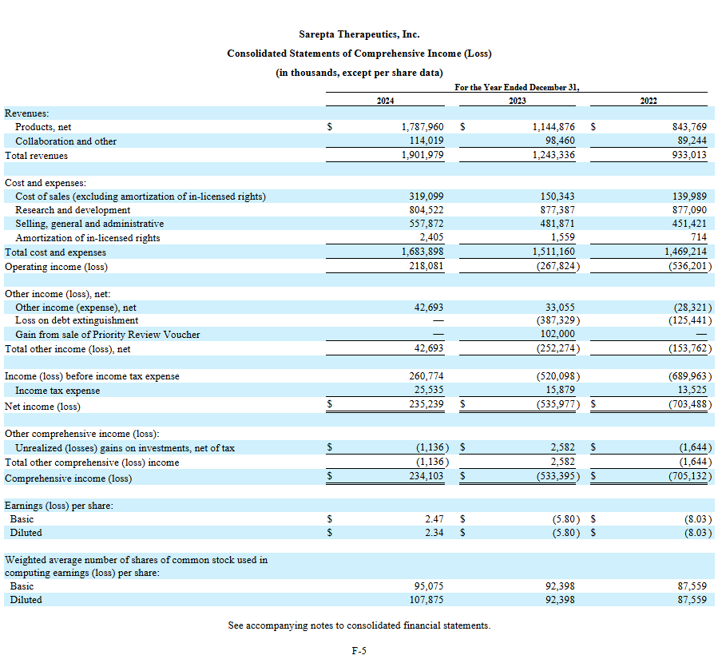
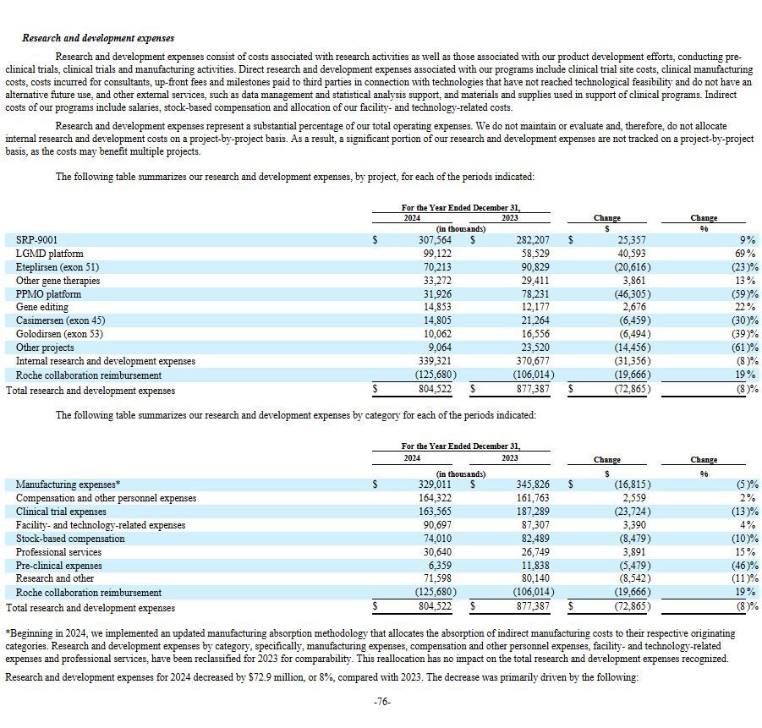
Business Focus | Global biotechnology company focused on precision genetic medicine for rare diseases
Approved Therapies | Exondys 51 (2016), Vyondys 53 (2019), Amondys 45 (2021), Elevidys (2023 - under FDA review)
Pipeline | SRP-5051 (ASO), SRP-9003/9005 (AAV-paused), siRNA platform (FSHD1, DM1, SCA2, IPF, Huntington's)
Target Diseases | ~7,000 rare diseases, focusing on DMD, LGMD, Charcot-Marie-Tooth disease
Strategic Shift (July 2025) | Pivoting to siRNA platform, pausing AAV programs due to safety concerns
Restructuring | 36% workforce reduction (~500 employees), ~$400M annual savings starting 2026
Financial Goal | Repay $1.1B debt due 2027, ensure profitability

PIPELINE TABLE: APPROVED AND IN-TRIAL THERAPIES

Therapy | Type | Condition | Status | Notes
APPROVED THERAPIES
Exondys 51 | ASO | DMD (exon 51) | Working | No deaths; approved 2016; stable revenue contributor
Vyondys 53 | ASO | DMD (exon 53) | Working | No deaths; approved 2019
Amondys 45 | ASO | DMD (exon 45) | Working | No deaths; approved 2021
Elevidys (SRP-9001) | AAV | DMD | Death/Halt | 2 direct deaths (2025, teens, liver failure); FDA requesting full shipment halt; black box warning added; approved 2023
IN CLINICAL TRIALS
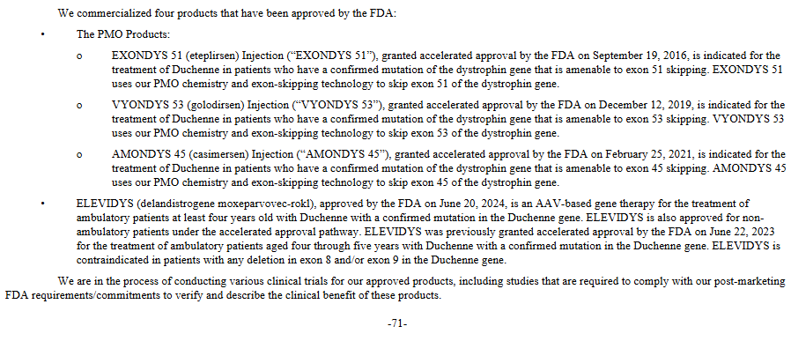
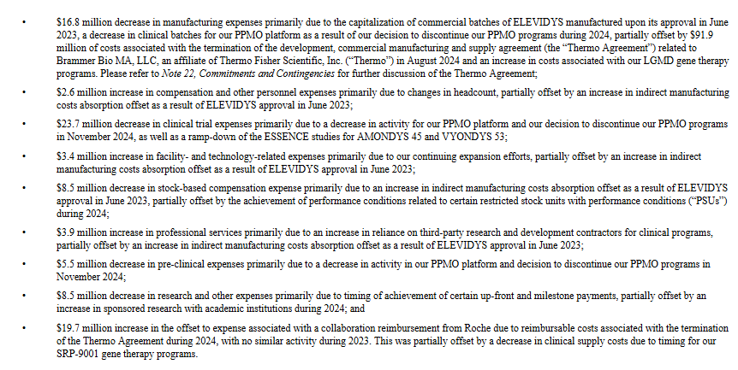
SRP-9004 | AAV | LGMD 2E | Death/Halt | 1 death (2025, 51-year-old, liver failure); program discontinued; trial paused
SRP-9003 | AAV | LGMD 2D | Working/Paused | No deaths; early trials; paused under restructuring
SRP-5051 | ASO | DMD (exon 51) | Working | No deaths; next-gen ASO; ongoing
SRP-9005 | AAV | LGMD 2C | Working/Paused | No deaths; early trials; paused under restructuring

Abbreviations:
ASO = Antisense Oligonucleotide (RNA-based, safer profile)
AAV = Adeno-Associated Virus (gene therapy, linked to liver risks)
"Working" = No reported deaths
"Death/Halt" = Safety issues leading to pauses/halts

ASO vs. AAV Safety Profile:
ASO therapies (Exondys series, SRP-5051) remain safer (no deaths, no viral vector risks)
AAV therapies face scrutiny for liver toxicity (similar to Zolgensma cases in 2022)
Pipeline Shift:
Restructuring prioritizes siRNA (e.g., SRP-1001 for FSHD1)
AAV focus reduced due to safety/efficacy concerns
Data Limitations:
SRP-9003/9005 have limited public data
No deaths reported, but programs paused amid broader AAV pivot

FREE CASH FLOW PROJECTIONS (ELEVIDYS TERMINATED SCENARIO)

Scenario Assumptions:
ELEVIDYS fully terminated (aligns with FDA halt request)
Revenue from PMO + collaborations only
R&D = $0 (hypothetical scenario)
Key Financial Assumptions:

Category | Amount | Notes
PMO Base 2026 | $850M | Q1 2025: $236.5M; Q2 preliminary: $195M; conservative 1-2% stabilization
PMO Growth | 4% annually | Down from 5% for realism amid DMD market competition
Collaboration Revenue | $100M annually | Conservative estimate
Cost of Sales | 20% of revenue | Up from 18% to reflect PMO-only focus
SG&A | $400M annually | Reduced from $450M; incorporates $150M+ restructuring savings
R&D | $0 | Per scenario; actual post-restructuring ~$200M for siRNA
Other Income | $40M | Interest on ~$1.5B cash balance
Tax Rate | 15% | Higher as profitability grows

5-Year Financial Projections:

Year | Total Revenue ($M) | Operating Income ($M) | Net Income ($M) | OCF ($M) | FCF ($M)
2026 | 950 | 356 | 334 | 454 | 424
2027 | 988 | 388 | 363 | 483 | 453
2028 | 1.028 | 420 | 392 | 512 | 482
2029 | 1.069 | 453 | 422 | 542 | 512
2030 | 1.112 | 488 | 455 | 575 | 545

Cumulative FCF 2026-2030: ~$2.3B (down from $2.7B due to lower PMO base)Calculation Notes:
Total Revenue = PMO (growing 4% YoY from $850M) + Collaboration ($100M flat)
Operating Income = Revenue - COS (20%) - SG&A ($400M) - Amortization ($2M) - R&D ($0)
Net Income = Operating Income + Other Income ($40M) - Taxes (15%)
OCF = Net Income + Depreciation ($40M) + Stock Comp ($80M) + Working Capital ($0)
FCF = OCF - CapEx ($30M)

HISTORICAL CASH FLOW DATA

Year | Operating Cash Flow | R&D Expense | CapEx | Adjusted FCF (No R&D)
TTM | -$1,017,000 | $1,377,522 | -$136,956 | $497,478
2024 | -$205,787 | $804,522 | -$136,956 | $461,779
2023 | -$500,933 | $877,387 | -$76,106 | $300,288
2022 | $325,346 | $877,090 | -$30,824 | $520,920
2021 | -$443,170 | $862,130 | -$38,490 | $380,470
2020 | $107,470 | $785,630 | -$82,200 | $810,900

SRPT DCF VALUE EXCLUDING R&D WITH NO GROWTH ASSUMPTION

Discounted Cash Flow (DCF) Calculation for Sarepta Therapeutics (SRPT) with 5% Annual Share Dilution:Assumptions:
Free Cash Flow (FCF) each year: $300 million
Growth rate for FCF (Years 1-5): 0%
Terminal growth rate (after Year 5): 1%
Discount rate (WACC): 10%
Shares outstanding increase: 5% per year, starting from 98 million
Discounted Cash Flows:
Year 1: 300 / 1.10 = 272.7
Year 2: 300 / (1.10^2) = 248.8
Year 3: 300 / (1.10^3) = 226.2
Year 4: 300 / (1.10^4) = 205.6
Year 5: 300 / (1.10^5) = 186.0
Terminal Value: 3,366.7 / (1.10^5) = 2,086.7
Per Share Value for Each Year:
Year 1: 272.7 / 98.00 = $2.78
Year 2: 248.8 / 102.90 = $2.42
Year 3: 226.2 / 108.05 = $2.09
Year 4: 205.6 / 113.45 = $1.81
Year 5: 186.0 / 119.12 = $1.56
Terminal: 2,086.7 / 119.12 = $17.52
Per Share Value = $2.78 + $2.42 + $2.09 + $1.81 + $1.56 + $17.52 = $28.18 per share

SOURCES

BioPharma Dive (June 15, 2025): Second Elevidys death
BioCentury (July 17, 2025): Third death from SRP-9004
Sarepta Press Release (July 16, 2025): Restructuring announcement
Sarepta Press Release (July 18, 2025): FDA halt response
Reuters/TradingView (July 18, 2025): FDA halt request
Fierce Biotech (July 16, 2025): Restructuring details
STAT News (July 16, 2025): Layoff confirmation
Drugs.com (March 18, 2025): First death disclosure
Pharmaceutical Technology (July 17, 2025): Workforce reduction
Yahoo Finance/Business Wire (July 16, 2025): Financial data

